Holt-Winters Add
Quarter End Date | Net Income (Billions) | Level | Trend | Seasonality | Forecast |  | Alpha | 0.59213905543
2009-12-26 | 3.38 | -- | -- | -0.1225 | -- |  | Beta | 0.020963512397
2010-03-27 | 3.07 | -- | -- | -0.4325 | -- |  | Gamma | 1
2010-06-26 | 3.25 | -- | -- | -0.2525 | -- |  | MSE | 5.6526050397
2010-09-25 | 4.31 | 3.5025 | 0 | 0.8075 | -- |  | RMSE | 2.3775207759
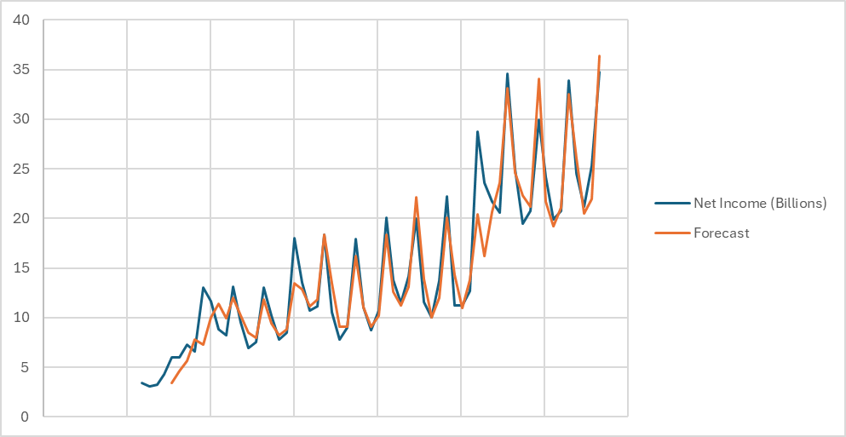
2010-12-25 | 6 | 5.0539043252 | 0.032522883805 | 0.94609567477 | 3.38
2011-03-26 | 5.99 | 5.8775680895 | 0.04910797546 | 0.11243191054 | 4.653927209
2011-06-25 | 7.31 | 6.8953113047 | 0.069413972318 | 0.41468869531 | 5.6741760649
2011-09-24 | 6.62 | 6.2824476898 | 0.055111037661 | 0.33755231016 | 7.772225277
2011-12-31 | 13.06 | 9.7579585536 | 0.12681463182 | 3.3020414464 | 7.2836544023
2012-03-31 | 11.62 | 10.845693427 | 0.14695889522 | 0.77430657296 | 9.9972050959
2012-06-30 | 8.82 | 9.460586656 | 0.11484141763 | -0.64058665604 | 11.407341018
2012-09-29 | 8.22 | 8.5729482683 | 0.093825919803 | -0.35294826833 | 9.9129803838
2012-12-29 | 13.08 | 9.3247498487 | 0.10761940072 | 3.7552501513 | 11.968815635
2013-03-30 | 9.55 | 9.0435258482 | 0.099467877259 | 0.50647415177 | 10.206675822
2013-06-29 | 6.9 | 8.194145917 | 0.079576694462 | -1.294145917 | 8.5024070694
2013-09-28 | 7.51 | 8.0304870799 | 0.074477623381 | -0.52048707991 | 7.9207743431
2013-12-28 | 13.07 | 8.8213257366 | 0.089495066783 | 4.2486742634 | 11.860214855
2014-03-29 | 10.22 | 9.3861338104 | 0.099459296899 | 0.83386618959 | 9.4172949551
2014-06-28 | 7.75 | 9.224194985 | 0.093979474122 | -1.474194985 | 8.1914471903
2014-09-27 | 8.47 | 9.1241379639 | 0.089911787649 | -0.65413796392 | 8.7976873792
2014-12-27 | 18.02 | 11.912590849 | 0.14648268739 | 6.1074091513 | 13.462724015
2015-03-28 | 13.57 | 12.459987367 | 0.15488724947 | 1.1100126326 | 12.892939726
2015-06-27 | 10.68 | 12.342088215 | 0.14916868834 | -1.6620882148 | 11.140679632
2015-09-26 | 11.12 | 12.066622772 | 0.14026686547 | -0.94662277184 | 11.837118939
2015-12-26 | 18.36 | 12.233951109 | 0.14083416898 | 6.1260488906 | 18.314298789
2016-03-26 | 10.52 | 10.619212644 | 0.10403120029 | -0.099212643829 | 13.484797911
2016-06-25 | 7.8 | 9.976464341 | 0.088376078914 | -2.176464341 | 9.0611556293
2016-09-24 | 9.01 | 10.000760524 | 0.087032739222 | -0.99076052401 | 9.1182176481
2016-12-31 | 17.89 | 11.080311787 | 0.1078394136 | 6.809688213 | 16.213842154
2023-04-01 | 24.16 | 21.790115285 | 0.23996832797 | 2.3698847148 | 21.687444864
2023-07-01 | 19.88 | 22.425058891 | 0.2482483971 | -2.5450588908 | 19.212968711
2023-09-30 | 20.72 | 22.429431503 | 0.24313590406 | -1.7094315032 | 21.131855598
2023-12-30 | 33.92 | 23.486270503 | 0.260193979 | 10.433729497 | 32.545824309
2024-03-30 | 24.5 | 22.789360995 | 0.24012972819 | 1.7106390046 | 26.116349197
2024-06-29 | 21.2 | 23.453206582 | 0.24901230085 | -2.2532065822 | 20.484431833
2024-09-28 | 25.3 | 25.66054864 | 0.29006577098 | -0.36054864005 | 21.99278738
2024-12-28 | 34.8 | 25.012462506 | 0.27039881189 | 9.7875374941 | 36.384343908
 |  |  |  |  | 26.993500322
 |  |  |  |  | 23.300053547
 |  |  |  |  | 25.463110302
 |  | Total NI 2025 | 112.14100808 |  | 35.881595248

 |  |  |  |  |  | 1
 |  |  |  |  |  | 2
 |  |  |  |  |  | 3
 |  |  |  |  |  | 4

Holt-Winters Mul
Quarter End Date | Net Income (Billions) | Level | Trend | Seasonality | Forecast |  | Alpha | 0.36410992804
2009-12-26 | 3.38 | -- | -- | 0.96502498216 | -- |  | Beta | 0.0087490516414
2010-03-27 | 3.07 | -- | -- | 0.87651677373 | -- |  | Gamma | 0.59872150789
2010-06-26 | 3.25 | -- | -- | 0.92790863669 | -- |  | MSE | 8.0911123542
2020-03-28 | 11.25 | 11.065384058 | 0.054960807347 | 1.0654302554 | 13.363873329 |  | RMSE | 2.8444880654
2020-06-27 | 11.25 | 11.367446214 | 0.05712270981 | 0.97514322475 | 10.602931448

2020-09-26 | 12.67 | 11.180482349 | 0.054987183755 | 1.1512498876 | 13.459786532
2020-12-26 | 28.76 | 12.761183902 | 0.068335737567 | 2.0974950451 | 20.947609297
2021-03-27 | 23.63 | 16.233697555 | 0.098119065941 | 1.29904175 | 13.668958386
2021-06-26 | 21.74 | 18.502765385 | 0.11711280879 | 1.0947775275 | 15.925860326
2021-09-25 | 20.55 | 18.339617836 | 0.11466079645 | 1.1328542276 | 21.436132677
2021-12-25 | 34.63 | 17.746409418 | 0.10846761214 | 2.010013216 | 38.707757992
2022-03-26 | 25.01 | 18.363821125 | 0.11292039031 | 1.3366865088 | 23.194230704
2022-06-25 | 19.44 | 18.214688273 | 0.11062767295 | 1.0783084963 | 20.227921393
2022-09-24 | 20.72 | 18.312487972 | 0.11051544034 | 1.1320244549 | 20.75991164
2022-12-31 | 29.99 | 17.147634291 | 0.099357170042 | 1.8536966588 | 37.030480336
2023-04-01 | 24.16 | 17.548311797 | 0.10199343722 | 1.3606857244 | 23.053820803
2023-07-01 | 19.88 | 17.93648734 | 0.10449725924 | 1.096298137 | 19.032474096
2023-09-30 | 20.72 | 18.136565972 | 0.10533350561 | 1.1382624983 | 20.422835756
2023-12-30 | 33.92 | 18.262534156 | 0.10551403948 | 1.8558866871 | 33.814948112
2024-03-30 | 24.5 | 18.236087142 | 0.10435950541 | 1.3503902509 | 24.993140966
2024-06-29 | 21.2 | 18.70359486 | 0.10753670787 | 1.1185548939 | 20.106597491
2024-09-28 | 25.3 | 20.05483182 | 0.1184179056 | 1.21207221 | 21.412005615
2024-12-28 | 34.8 | 19.655447203 | 0.11388762459 | 1.804764777 | 37.439265601
 |  |  |  |  | 26.696317018
 |  |  |  |  | 22.240475781
 |  |  |  |  | 24.237941404
 |  | Total NI 2025 | 110.6139998 |  | 36.295620282

 |  |  |  |  |  | 1
 |  |  |  |  |  | 2
 |  |  |  |  |  | 3
 |  |  |  |  |  | 4

Regression
Quarter End Date | Net Income (Billions) | Quarter | period | Quarter 1 | Quarter 2 | Quarter 3 | Forecast | Quarter 1 | Quarter 2 | Quarter 3 | MSE | 8.7031261128
2009-12-26 | 3.38 | 1 | 1 | 1 | 0 | 0 | 9.2890677966 | 1 | 2 | 3 | RMSE | 2.9501061189
2010-03-27 | 3.07 | 2 | 2 | 0 | 1 | 0 | 3.5474632768
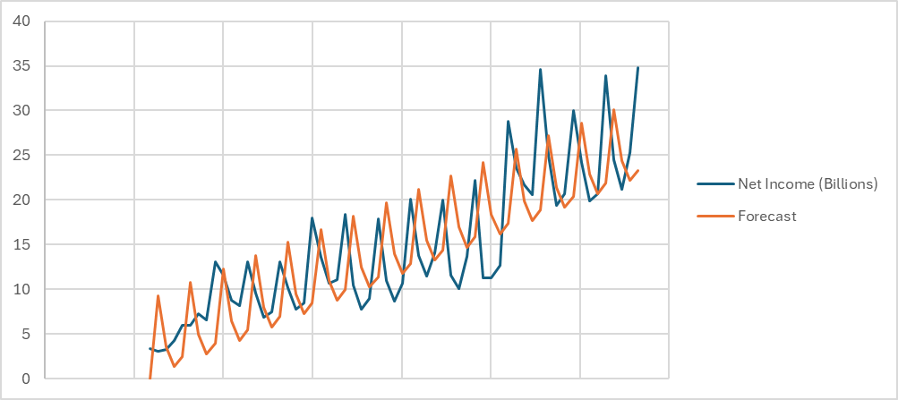
2010-06-26 | 3.25 | 3 | 3 | 0 | 0 | 1 | 1.3341299435
2010-09-25 | 4.31 | 4 | 4 | 0 | 0 | 0 | 2.4974632768
2010-12-25 | 6 | 1 | 5 | 1 | 0 | 0 | 10.777525424
2011-03-26 | 5.99 | 2 | 6 | 0 | 1 | 0 | 5.035920904
2011-06-25 | 7.31 | 3 | 7 | 0 | 0 | 1 | 2.8225875706
2011-09-24 | 6.62 | 4 | 8 | 0 | 0 | 0 | 3.985920904
2011-12-31 | 13.06 | 1 | 9 | 1 | 0 | 0 | 12.265983051
2015-09-26 | 11.12 | 4 | 24 | 0 | 0 | 0 | 9.9397514124
2015-12-26 | 18.36 | 1 | 25 | 1 | 0 | 0 | 18.219813559
2016-03-26 | 10.52 | 2 | 26 | 0 | 1 | 0 | 12.47820904
2016-06-25 | 7.8 | 3 | 27 | 0 | 0 | 1 | 10.264875706
2016-09-24 | 9.01 | 4 | 28 | 0 | 0 | 0 | 11.42820904
2016-12-31 | 17.89 | 1 | 29 | 1 | 0 | 0 | 19.708271186
2017-04-01 | 11.03 | 2 | 30 | 0 | 1 | 0 | 13.966666667
2017-07-01 | 8.72 | 3 | 31 | 0 | 0 | 1 | 11.753333333
2017-09-30 | 10.71 | 4 | 32 | 0 | 0 | 0 | 12.916666667
2017-12-30 | 20.07 | 1 | 33 | 1 | 0 | 0 | 21.196728814
2018-03-31 | 13.82 | 2 | 34 | 0 | 1 | 0 | 15.455124294
2018-06-30 | 11.52 | 3 | 35 | 0 | 0 | 1 | 13.24179096
2024-09-28 | 25.3 | 4 | 60 | 0 | 0 | 0 | 23.335870056
2024-12-28 | 34.8 | 1 | 61 | 1 | 0 | 0 | 31.615932203
 |  | 2 | 62 | 0 | 1 | 0 | 25.874327684
 |  | 3 | 63 | 0 | 0 | 1 | 23.66099435
 |  | 4 | 64 | 0 | 0 | 0 | 24.824327684

 | Total Net Income 2025 | 105.97558192

Composite
Quarter End Date | Net Income (Billions) | Holt Winters ADD Forecast | Holt Winters MU Forecast | Regression Forecast | Forecast | MSE | 4.0627179667
2009-12-26 | 3.38 | -- | -- | 9.2890677966 | -- | RMSE | 2.0156185072
2010-03-27 | 3.07 | -- | -- | 3.5474632768 | --
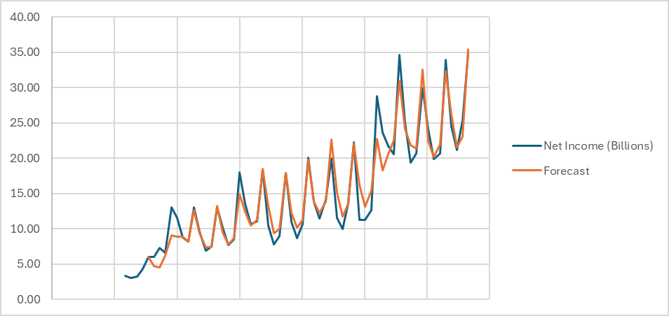
2010-06-26 | 3.25 | -- | -- | 1.3341299435 | --
2010-09-25 | 4.31 | -- | -- | 2.4974632768 | --
2010-12-25 | 6 | 3.38 | 2.9717465601 | 10.777525424 | 6.0632591537
2011-03-26 | 5.99 | 4.653927209 | 3.709441541 | 5.035920904 | 4.737351342
2011-06-25 | 7.31 | 5.6741760649 | 4.8229603922 | 2.8225875706 | 4.5319106623
2011-09-24 | 6.62 | 7.772225277 | 7.6299011316 | 3.985920904 | 6.2565977834
2013-06-29 | 6.9 | 8.5024070694 | 8.6071008902 | 5.7995028249 | 7.402526583
2013-09-28 | 7.51 | 7.9207743431 | 8.2659279071 | 6.9628361582 | 7.4435975378
2013-12-28 | 13.07 | 11.860214855 | 11.614005932 | 15.242898305 | 13.291596908
2014-03-29 | 10.22 | 9.4172949551 | 9.2464043983 | 9.5012937853 | 9.4676168236
2014-06-28 | 7.75 | 8.1914471903 | 7.8490732448 | 7.287960452 | 7.8344689338
2016-09-24 | 9.01 | 9.1182176481 | 9.4425405928 | 11.42820904 | 9.9555130192
2016-12-31 | 17.89 | 16.213842154 | 15.912186241 | 19.708271186 | 17.86219941
2017-12-30 | 20.07 | 18.394243336 | 18.407306282 | 21.196728814 | 19.81731998
2018-03-31 | 13.82 | 12.583845182 | 12.091892378 | 15.455124294 | 13.876513133
2018-06-30 | 11.52 | 11.259794527 | 9.9998011397 | 13.24179096 | 12.25645726
2018-09-29 | 14.13 | 13.122494093 | 12.24876959 | 14.405124294 | 13.8696123
2018-12-29 | 19.97 | 22.138679694 | 23.527467302 | 22.685186441 | 22.653438621
2019-03-30 | 11.56 | 13.876704978 | 14.39503185 | 16.943581921 | 15.164184887
2019-06-29 | 10.04 | 10.010873667 | 10.533231469 | 14.730248588 | 11.790133563
2024-12-28 | 34.8 | 36.384343908 | 37.439265601 | 31.615932203 | 35.428128657
 |  | 26.993500322 | 26.696317018 | 25.874327684 | 27.266318933
 |  | 23.300053547 | 22.240475781 | 23.66099435 | 24.103400638
 |  | 25.463110302 | 24.237941404 | 24.824327684 | 25.983282728

 | Total Net Income 2025 | 112.78113096

